Table 2
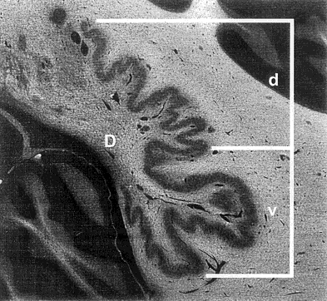
 |  |  | Ga |  | Gb |  | P | Ha | Hb
Number of sections |  |  | 15 |  | 15 |  | 14 | 18 | 18
Average v/d from values in each section |  |  | 1.62 |  | 1.63 |  | 1.66 | 2.05 | 2.16
Range of values (v/d) |  |  | 1.40–2.02 |  | 1.36–2.09 |  | 1.31–2.04 | 1.64–2.43 | 1.62–2.67
1 Ga, Gb, Gorilla; P, Pan; Ha, Hb, humans, d, area for dorsal half of dentate nucleus in mm2; v, area for ventral half of nucleus in mm2.
TABLE 2. Volume of the dentate nucleus investigated (mm3)
 | Gorilla | Pan |  | Humans
Ventral half | 331.33 | 284.47 |  | 791.69
Dorsal half | 203.27 | 171.36 |  | 375.21
Total | 534.60 | 455.83 |  | 1,166.90
Fig. 1. Definition of ventral half (v) and dorsal half (d) of dentate nucleus (D). ventral axis of the maximum length of the nucleus in each frontal section (Fig. 1). The ratio of v to d (v/d) is given in Table 1. Each volume of the dorsal half and the ventral half of the dentate nucleus is given in Table 2. Differences in values for ratios between humans and great apes and humans vs. gorillas were checked by Student’s t-test. The tests are tentative because the study samples are small. RESULTS AND DISCUSSION The dentate nuclei of humans and great apes have been said to have almost the same pattern in shape. No definite difference in the shape of the dentate nuclei of humans and those of great apes was dis-cernible under microscopy. However, size compari-sons by allometric analysis in previous studies clearly revealed the prominent development of the human dentate nucleus. For example, the size indi-ces for the medulla oblongata volume of the dentate nucleus of human (2.1) greatly surpass those of great apes (1.4) (Matano and Hirasaki, 1997). In the present study, values for the ratios of the size of the ventral half of the dentate nucleus to the size of the dorsal half (v/d) were averaged for each case investigated (Table 1). In the two human sam-ples obtained from each of 18 frontal sections, values for the ratio (v/d) were 2.11 on average, whereas they were 1.64 on average for three great ape sam- |  |  |  |  |  | ples. Student’s t-test indicated significant difference in ventral to dorsal ratio between great apes and humans (t: 8.59, P < 0.001). These ratios were also significantly different between humans and gorillas (t: 8.57, P < 0.001). Because only two humans and two gorillas (and one chimpanzee) provided the sam-ples, these findings must be interpreted cautiously. Still, the differences suggest real differences in size of ventral relative to dorsal portions of the dental nucleus between humans and great apes. Some studies indicate existence of fiber connec-tions from the dentate nucleus. Rouiller et al. (1994) reported a cerebello-thalamic cortical projection to the frontal association area in macaque monkeys. Also, Middleton and Strick (1994) showed a projec-tion to the prefrontal area (area 46) from the dentate nucleus by the retrograde tranneuronal transport of HSV1 (herpes simplex virus type 1) in Cebus. They also showed that labelled neurons were confined to the most ventral portion of the middle third of the dentate nucleus. In macaque monkeys, Sasaki (1979) reported the projection of the cerebellar den-tate nucleus onto the frontal association cortex by an electrophysiological method. Higher cerebellar functions involving cognitive and language function have been recognized from neuroimaging and neurobehavioral studies, which were obtained from normal adult cerebella and pa-tients with defective cerebella (Leiner et al., 1993; Petersen and Fiez, 1993; Thach, 1996; Carper and Courchesne, 2000). Functional magnetic resonance imaging showed, in an experiment in learning to use a new tool, that the activity of the lateral cerebellar cortex was confined to an area near to the posterior superior fissure (Imamizu et al., 2000). The evidence in humans thus indicates the pres-ence of a projection from the lateral cerebellar cortex to the frontal association area via the thalamus. A

